VERIFYAssumption
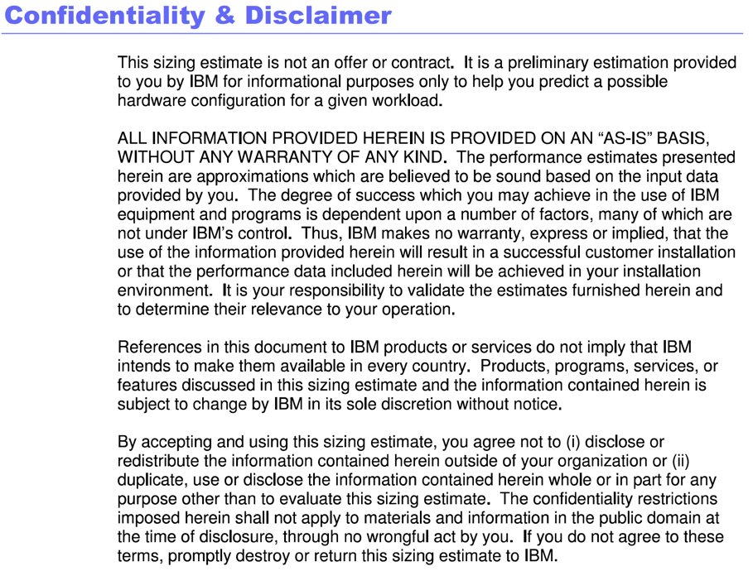
 | AM Assumptions | Value
1 | # of Users [from RAMS RFP] | 12000
2 | # of Authentication per sec (All the users login in 60 mins) | 4
3 | Peak of concurrent sessions (50% Users) | 6,000 |  | Required SpecIntRate2006 |  | Reference CPU - Intel Xeon E5-2697 v2, 2.70 GHz
4 | Think Time (in sec) | 15 | Component | 100% CPU Utilized | 70% CPU Utilized | Server SPECrate2006 | No of Cores | SPECrate2006/core | No of cores
5 | # of Tx per sec that touch AM | 400 | ISVA - Reverse Proxy | 622 | 889.0 | 935 | 24 | 38.96 | 23
6 | Avg Page Size in KB | 500 | ISVA - Runtime | 35.24 | 51.0 | 935 | 24 | 38.96 | 2
7 | Avg Object Size in KB | 50
8 | # of Objects Per Page | 10
9 | Total objects accessed per sec | 4000
10 | MFA per Sec (1 per login) | 4
11 | Federation Flows Per Sec (2 per login) | 8
12 | LDAP - Size of 1 User Obj (KB) | 10
13 | LDAP - Size for all Users (MB) | 117
14 | LDAP - Size (+50 GB) (GB) | 50
15 | HVDB - Size of 1 User Obj (KB) | 100
16 | HVDB - Size for all Users (MB) | 1172
17 | HVDB - Size (+100 GB) (GB) | 101
18 | Allow for two online backups | N+(N*2)
19 | Allow for Tx logs that are 50% size of backup | N+((N+0.5N)*2)
20 | LDAP space with 2 backups (GB) (4N) | 200.45776367
21 | HVDB space with 2 backups (GB) (4N) | 404.57763672
 | RP Specint | 622
 | Runtime specint | 35.24

